Sheet1
 | AirshipXP Enhancements List

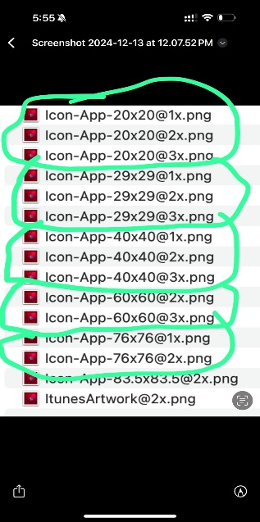
SNO | Enhancement | Comments | Status
1 | The logo displayed on the splash screen should be updated in both the Carrier and Shipper versions of the AirshipXP app. (Specifications provided)
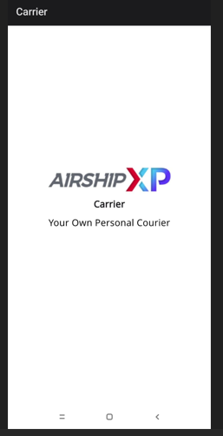
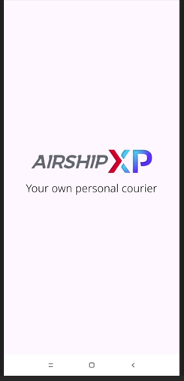

2 | Modify the Carrier app to allow carriers to view all available packages in a dedicated screen.

3 | Expand the app’s functionality to allow carriers to pick up shipments from any location, not just airport-to-airport routes.

4 | Implement the capability for users to sell products within the app, turning it into a marketplace.

5 | Implement an identification and verification feature within the app

6 | Add the ability for customers to enter the package dimensions — length, breadth, and height?

7 | Calculate the dimentions and put it in the right bracket of pricing

8 | Integrate an API for background verification

